Sheet1
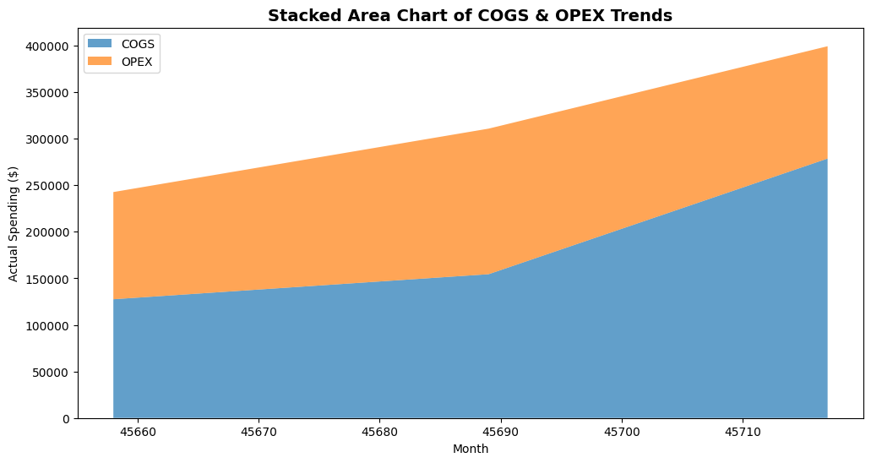
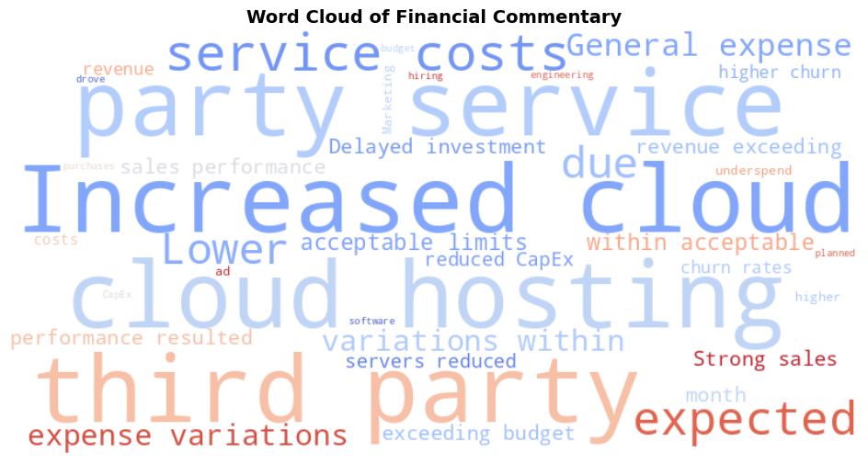
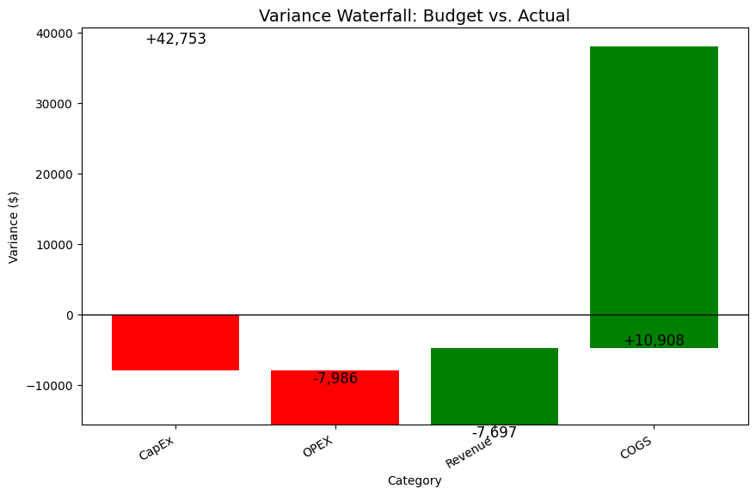
 |  |  |  |  |  |  |  | 
The Dataset |  |  |  |  |  |  |  | The Code | The Outputs
Category | Subcategory | Month | Budgeted ($) | Actual ($) | Variance ($) | Variance (%) | Commentary
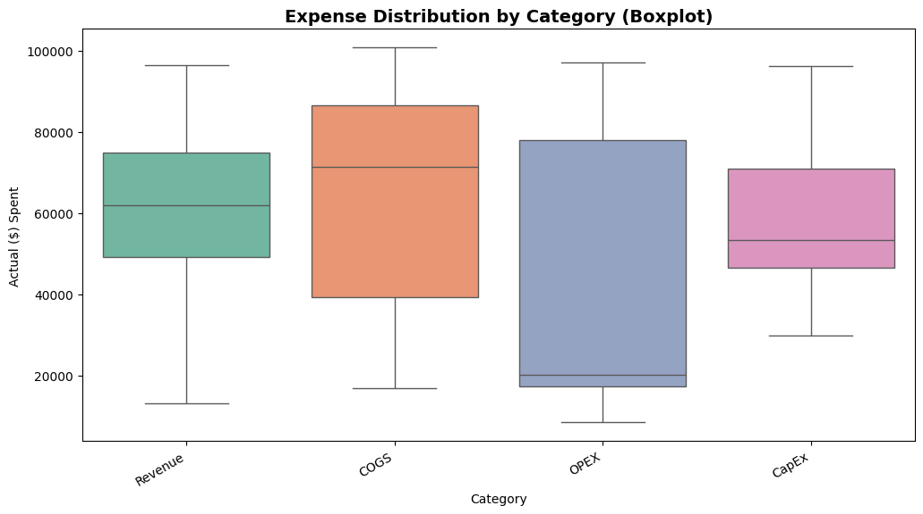
Revenue | MRR | 2025-01-01 | $75,697.00 | $74,994.00 | -$703.00 | -93% | Lower than expected revenue due to higher churn rates.
import pandas as pd
import matplotlib.pyplot as plt
import numpy as np
# Filter only relevant columns
df_variance = df.groupby("Category")["Variance ($)"].sum().reset_index()
# Sort categories by impact
df_variance = df_variance.sort_values(by="Variance ($)", ascending=True)
# Waterfall calculation
df_variance["Cumulative"] = df_variance["Variance ($)"].cumsum()
df_variance["Start"] = df_variance["Cumulative"] - df_variance["Variance ($)"]
# Define colors (positive vs negative impact)
colors = df_variance["Variance ($)"].apply(lambda x: "green" if x > 0 else "red")
# Plot waterfall chart
fig, ax = plt.subplots(figsize=(10, 6))
ax.bar(df_variance["Category"], df_variance["Variance ($)"], bottom=df_variance["Start"], color=colors)
# Add labels
for i, row in df_variance.iterrows():
ax.text(i, row["Cumulative"], f'{row["Variance ($)"]:+,.0f}', ha="center", va="bottom" if row["Variance ($)"] > 0 else "top", fontsize=12)
# Formatting
ax.axhline(0, color="black", linewidth=1)
ax.set_title("Variance Waterfall: Budget vs. Actual", fontsize=14)
ax.set_ylabel("Variance ($)")
ax.set_xlabel("Category")
ax.set_xticklabels(df_variance["Category"], rotation=30, ha="right")
plt.show()
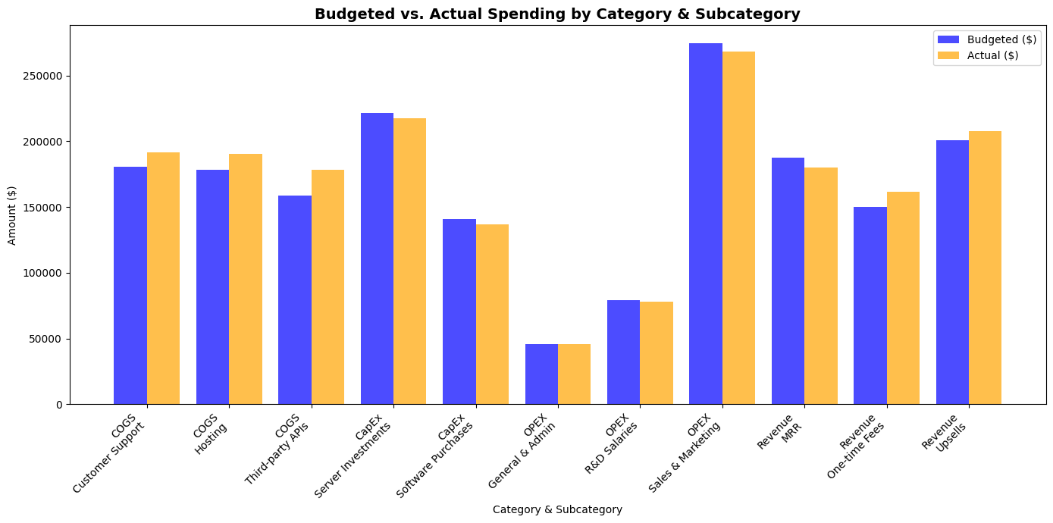
Revenue | Upsells | 2025-01-01 | $42,606.00 | $49,140.00 | $6,534.00 | 1534% | Strong sales performance resulted in revenue exceeding budget.
Revenue | One-time Fees | 2025-01-01 | $50,397.00 | $57,387.00 | $6,990.00 | 1387% | Strong sales performance resulted in revenue exceeding budget.
COGS | Hosting | 2025-01-01 | $11,016.00 | $16,885.00 | $5,869.00 | 5328% | Increased cloud hosting and third-party service costs.
COGS | Third-party APIs | 2025-01-01 | $65,591.00 | $71,483.00 | $5,892.00 | 898% | Increased cloud hosting and third-party service costs.
COGS | Customer Support | 2025-01-01 | $33,247.00 | $39,163.00 | $5,916.00 | 1779% | Increased cloud hosting and third-party service costs.
OPEX | Sales & Marketing | 2025-01-01 | $84,065.00 | $77,943.00 | -$6,122.00 | -728% | Marketing underspend due to lower-than-expected ad costs.
OPEX | R&D Salaries | 2025-01-01 | $19,268.00 | $17,155.00 | -$2,113.00 | -1097% | General expense variations within acceptable limits.
OPEX | General & Admin | 2025-01-01 | $22,185.00 | $20,044.00 | -$2,141.00 | -965% | General expense variations within acceptable limits.
CapEx | Server Investments | 2025-01-01 | $49,099.00 | $46,478.00 | -$2,621.00 | -534% | Delayed investment in servers reduced CapEx this month.
CapEx | Software Purchases | 2025-01-01 | $48,044.00 | $47,106.00 | -$938.00 | -195% | Delayed investment in servers reduced CapEx this month.
Revenue | MRR | 2025-02-01 | $71,228.00 | $66,292.00 | -$4,936.00 | -693% | Lower than expected revenue due to higher churn rates.
Revenue | Upsells | 2025-02-01 | $58,984.00 | $61,990.00 | $3,006.00 | 510% | Strong sales performance resulted in revenue exceeding budget.
Revenue | One-time Fees | 2025-02-01 | $12,568.00 | $13,031.00 | $463.00 | 368% | Strong sales performance resulted in revenue exceeding budget.
COGS | Hosting | 2025-02-01 | $72,592.00 | $72,619.00 | $27.00 | 4% | Increased cloud hosting and third-party service costs.
COGS | Third-party APIs | 2025-02-01 | $12,695.00 | $20,382.00 | $7,687.00 | 6055% | Increased cloud hosting and third-party service costs.
COGS | Customer Support | 2025-02-01 | $58,190.00 | $61,448.00 | $3,258.00 | 560% | Increased cloud hosting and third-party service costs.
OPEX | Sales & Marketing | 2025-02-01 | $97,538.00 | $97,274.00 | -$264.00 | -27% | Marketing underspend due to lower-than-expected ad costs.
OPEX | R&D Salaries | 2025-02-01 | $43,159.00 | $42,051.00 | -$1,108.00 | -257% | General expense variations within acceptable limits.
OPEX | General & Admin | 2025-02-01 | $13,561.00 | $17,031.00 | $3,470.00 | 2559% | General expense variations within acceptable limits.
CapEx | Server Investments | 2025-02-01 | $74,505.00 | $74,604.00 | $99.00 | 13% | Higher-than-expected software purchases drove CapEx over budget.
CapEx | Software Purchases | 2025-02-01 | $32,662.00 | $29,862.00 | -$2,800.00 | -857% | Delayed investment in servers reduced CapEx this month.
Revenue | MRR | 2025-03-01 | $40,535.00 | $38,639.00 | -$1,896.00 | -468% | Lower than expected revenue due to higher churn rates.
Revenue | Upsells | 2025-03-01 | $99,135.00 | $96,589.00 | -$2,546.00 | -257% | Lower than expected revenue due to higher churn rates.
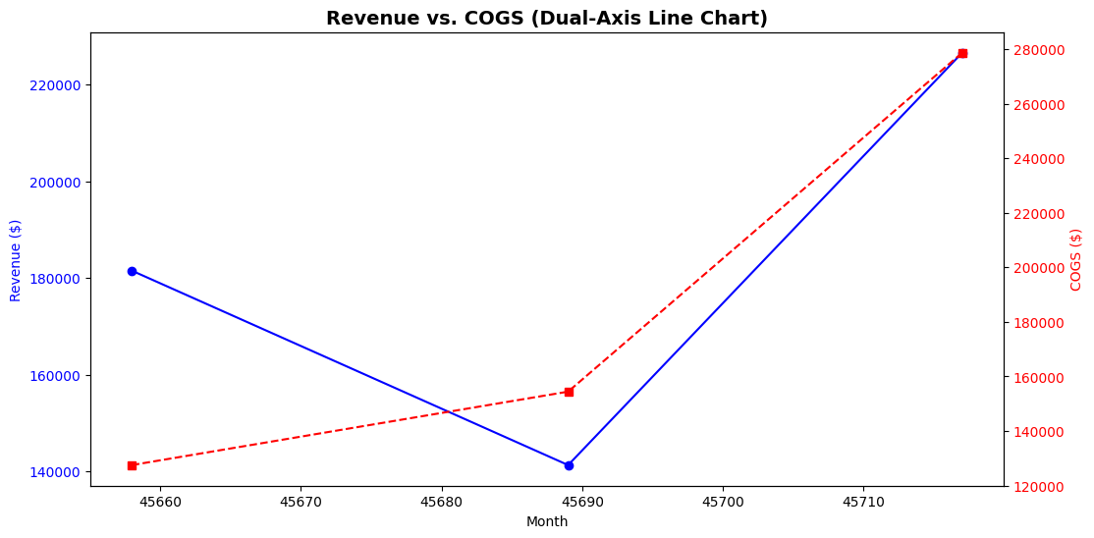
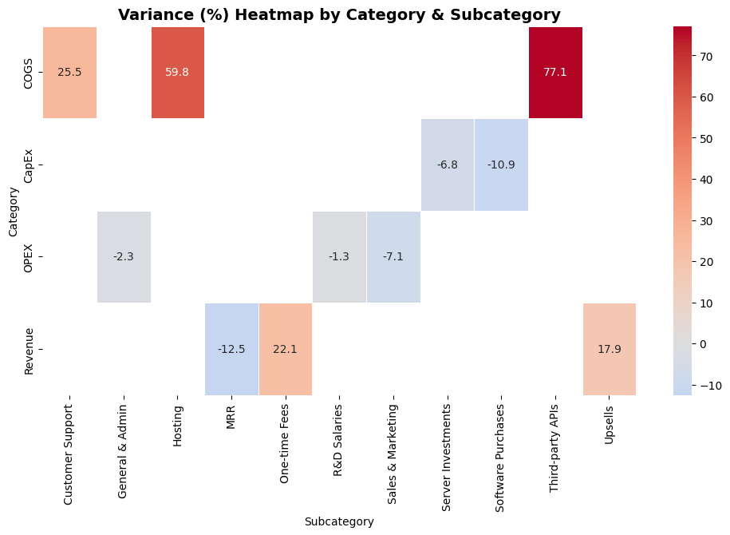
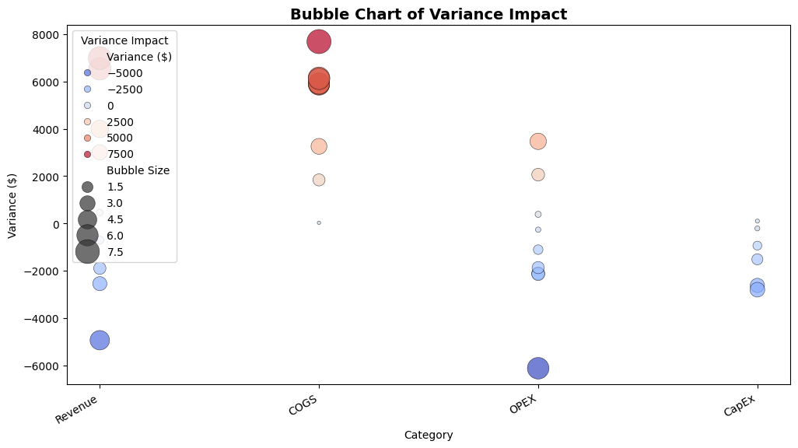
Revenue | One-time Fees | 2025-03-01 | $87,373.00 | $91,369.00 | $3,996.00 | 457% | Strong sales performance resulted in revenue exceeding budget.
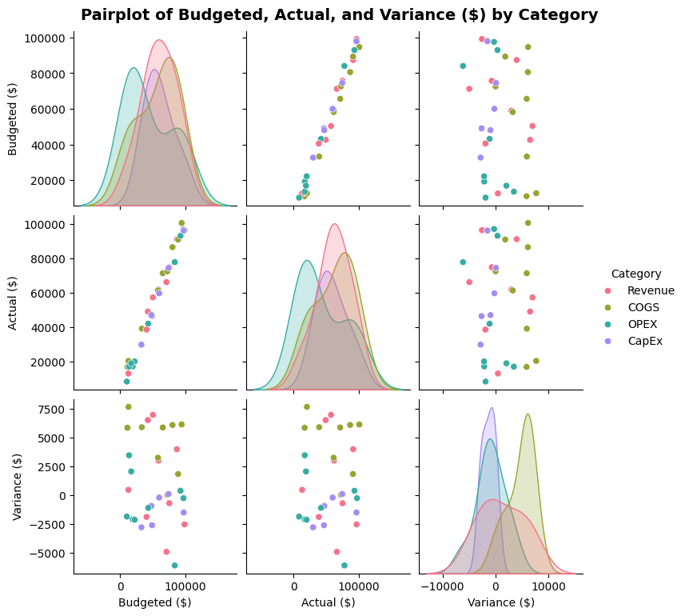
COGS | Hosting | 2025-03-01 | $94,651.00 | $100,805.00 | $6,154.00 | 650% | Increased cloud hosting and third-party service costs.
COGS | Third-party APIs | 2025-03-01 | $80,592.00 | $86,702.00 | $6,110.00 | 758% | Increased cloud hosting and third-party service costs.
COGS | Customer Support | 2025-03-01 | $89,309.00 | $91,149.00 | $1,840.00 | 206% | Increased cloud hosting and third-party service costs.
OPEX | Sales & Marketing | 2025-03-01 | $92,948.00 | $93,333.00 | $385.00 | 41% | General expense variations within acceptable limits.
OPEX | R&D Salaries | 2025-03-01 | $16,910.00 | $18,972.00 | $2,062.00 | 1219% | Higher engineering hiring costs than planned.
OPEX | General & Admin | 2025-03-01 | $10,206.00 | $8,340.00 | -$1,866.00 | -1828% | General expense variations within acceptable limits.
CapEx | Server Investments | 2025-03-01 | $97,897.00 | $96,381.00 | -$1,516.00 | -155% | Delayed investment in servers reduced CapEx this month.
CapEx | Software Purchases | 2025-03-01 | $60,015.00 | $59,805.00 | -$210.00 | -35% | Delayed investment in servers reduced CapEx this month.

 |  |  |  |  |  |  |  | All Code here:

